Sheet1
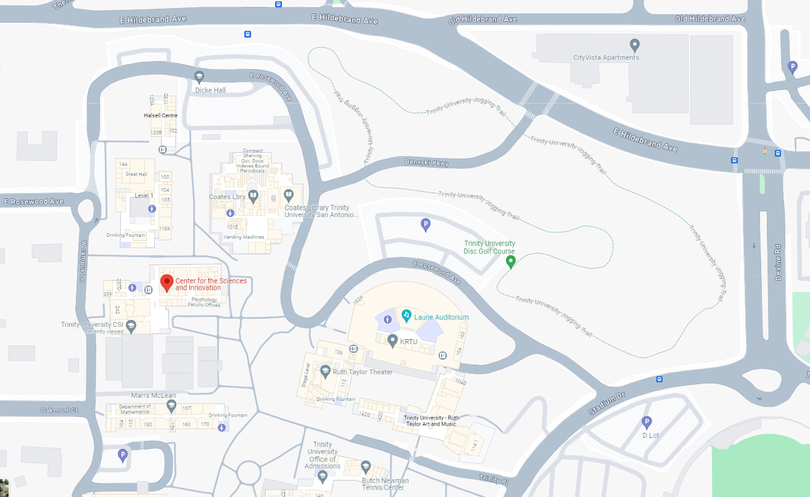
 |  | 2024 Spring Planning Meeting, Trinity University
 |  | Center for the Sciences and Innovation (CSI)
 |  | 21-Sep-24

8:00:00 |  | Breakfast (CSI-448)

 | Introduction (CSI-448)
8:30:00 |  | Chair - Welcome | Downing
8:35:00 |  | Secretary - Roll Call | Franke
8:45:00 |  | South Area Chair (Membership & Elections Reports) | Redfield

 | Chapter and Affinity Group Reports and Requests (CSI-448)
9:00:00 |  | RAS24 (CH05257) | Franke
9:10:00 |  | SMC28/AES10/SYSC45 (CH05200) | Hall
9:20:00 |  | EMB18 (CH10137) | Polhamus
9:30:00 |  | TEM14/IE13 (CH05233) | Smith
9:40:00 |  | PE31 (CH05206) | Henriquez
9:50:00 |  | COM19/SP01 (CH05219) | Atkinson
10:00:00 |  | C16 (CH05227) | Luo
10:10:00 |  | Young Professionals (YP50052) | Stockton
10:20:00 |  | Women in Engineering (WIE50052) | Webb
10:30:00 |  | Life Members Affinity Group (LMA50005) | Conner

10:40:00 | Break

 | Student Branch and Chapter Reports and Budget Requests (CSI-448)
11:00:00 |  | St. Mary's University Student Branch (STB04001)
11:10:00 |  | TAMUSA Student Branch (STB40070275)
11:20:00 |  | Trinity University Student Branch (STB81611)
11:30:00 |  | UIW Student Branch (STB98812)
11:40:00 |  | UTSA Student Branch (STB29971), HKN Kappa Upsilon Chapter (HKN212), UTSA Student Branch Chapters RA24 (SBC29971), EMB18 (SBC29971A), UFFC20 (SBC29971B), PE31 (SBC29971C)

12:00:00 | Lunch & Discussion (CSI-256)

 | Officer & Committee Reports (CSI-448) |  |  | Student Branch Breakout Session (CSI-256)
12:45:00 |  | Government Relations Report | Polhamus | Leadership Discussions
12:55:00 |  | Secretary's Report | Franke | vTools Training
13:05:00 |  | Treasurer's Report | Osorio
13:20:00 |  | Conferences Report | Navarro
13:30:00 |  | Closing & Adjourn | Downing

